Detailed Investigation Result
Detailed Investigation Result

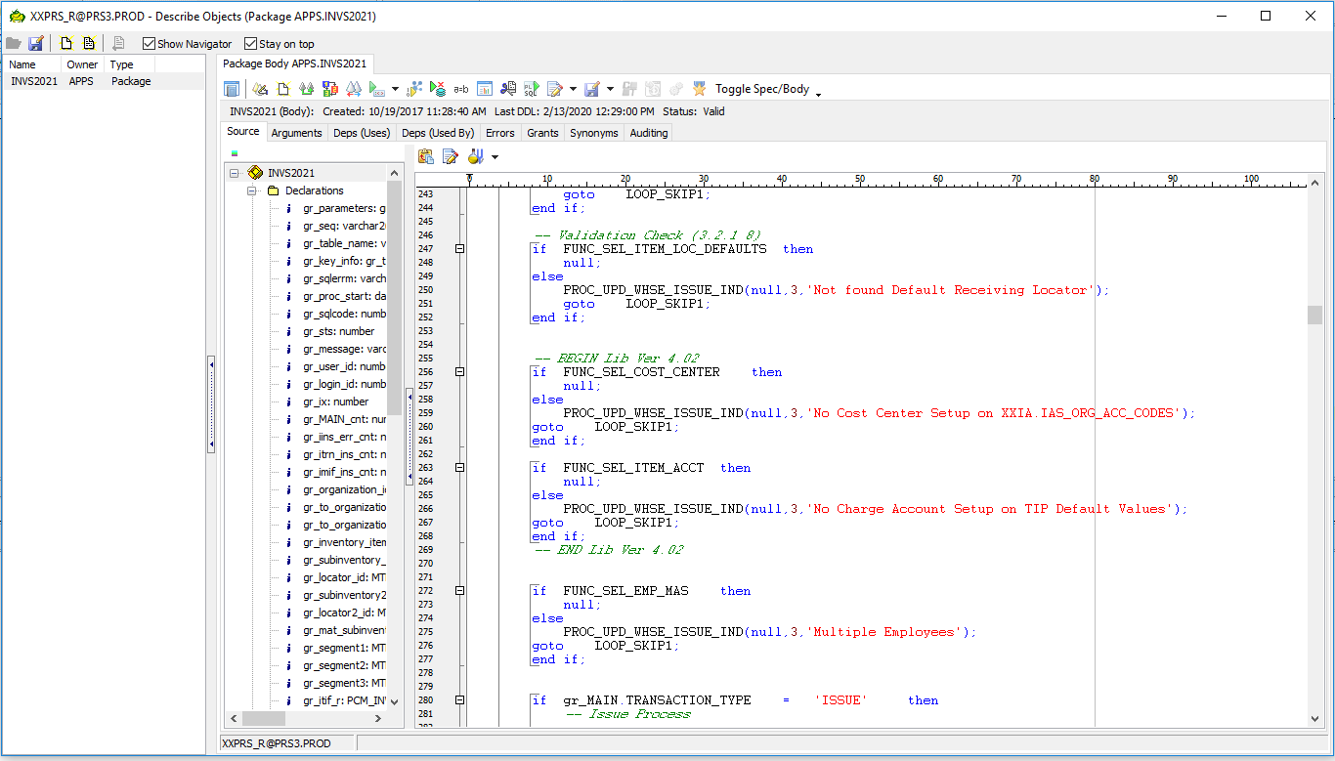

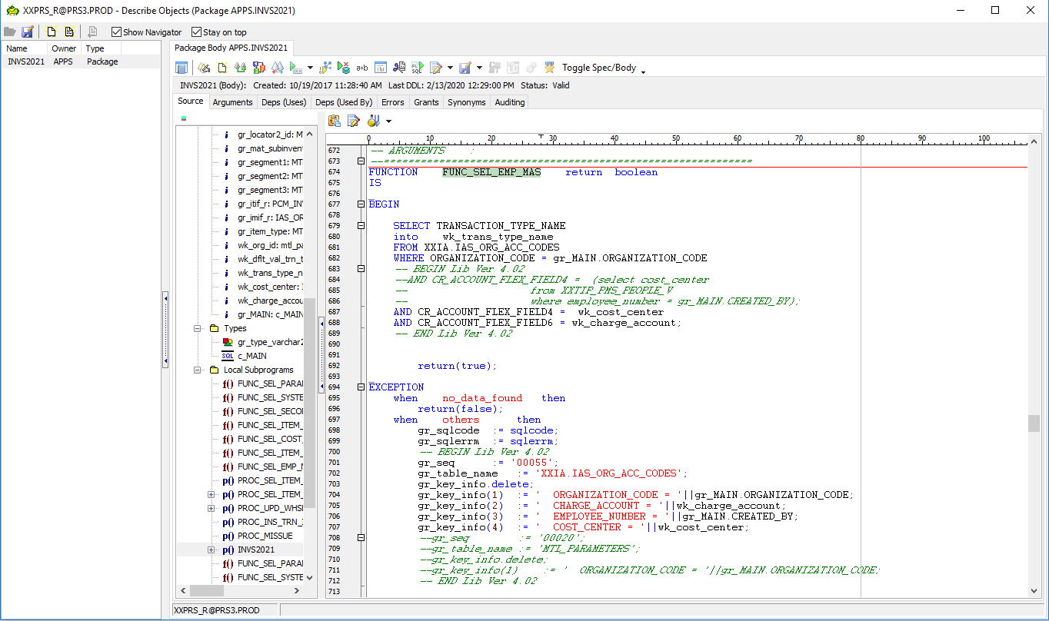

No Setup in IA for the new cost center

 | Setup the code combination in IA

Actual Operation Evidence
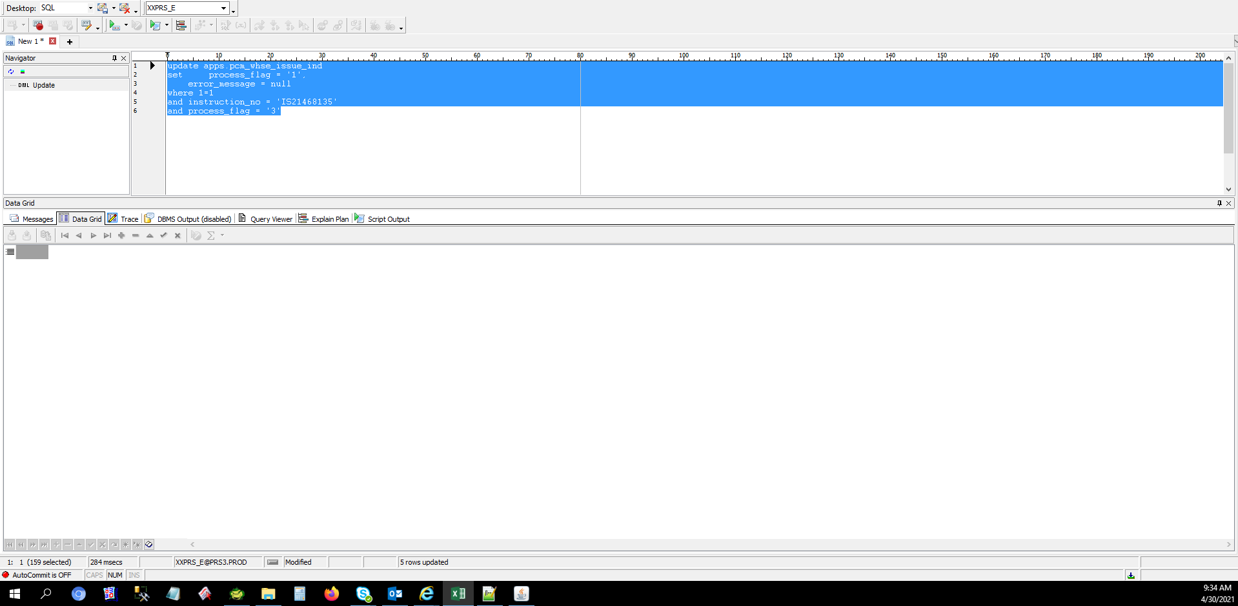
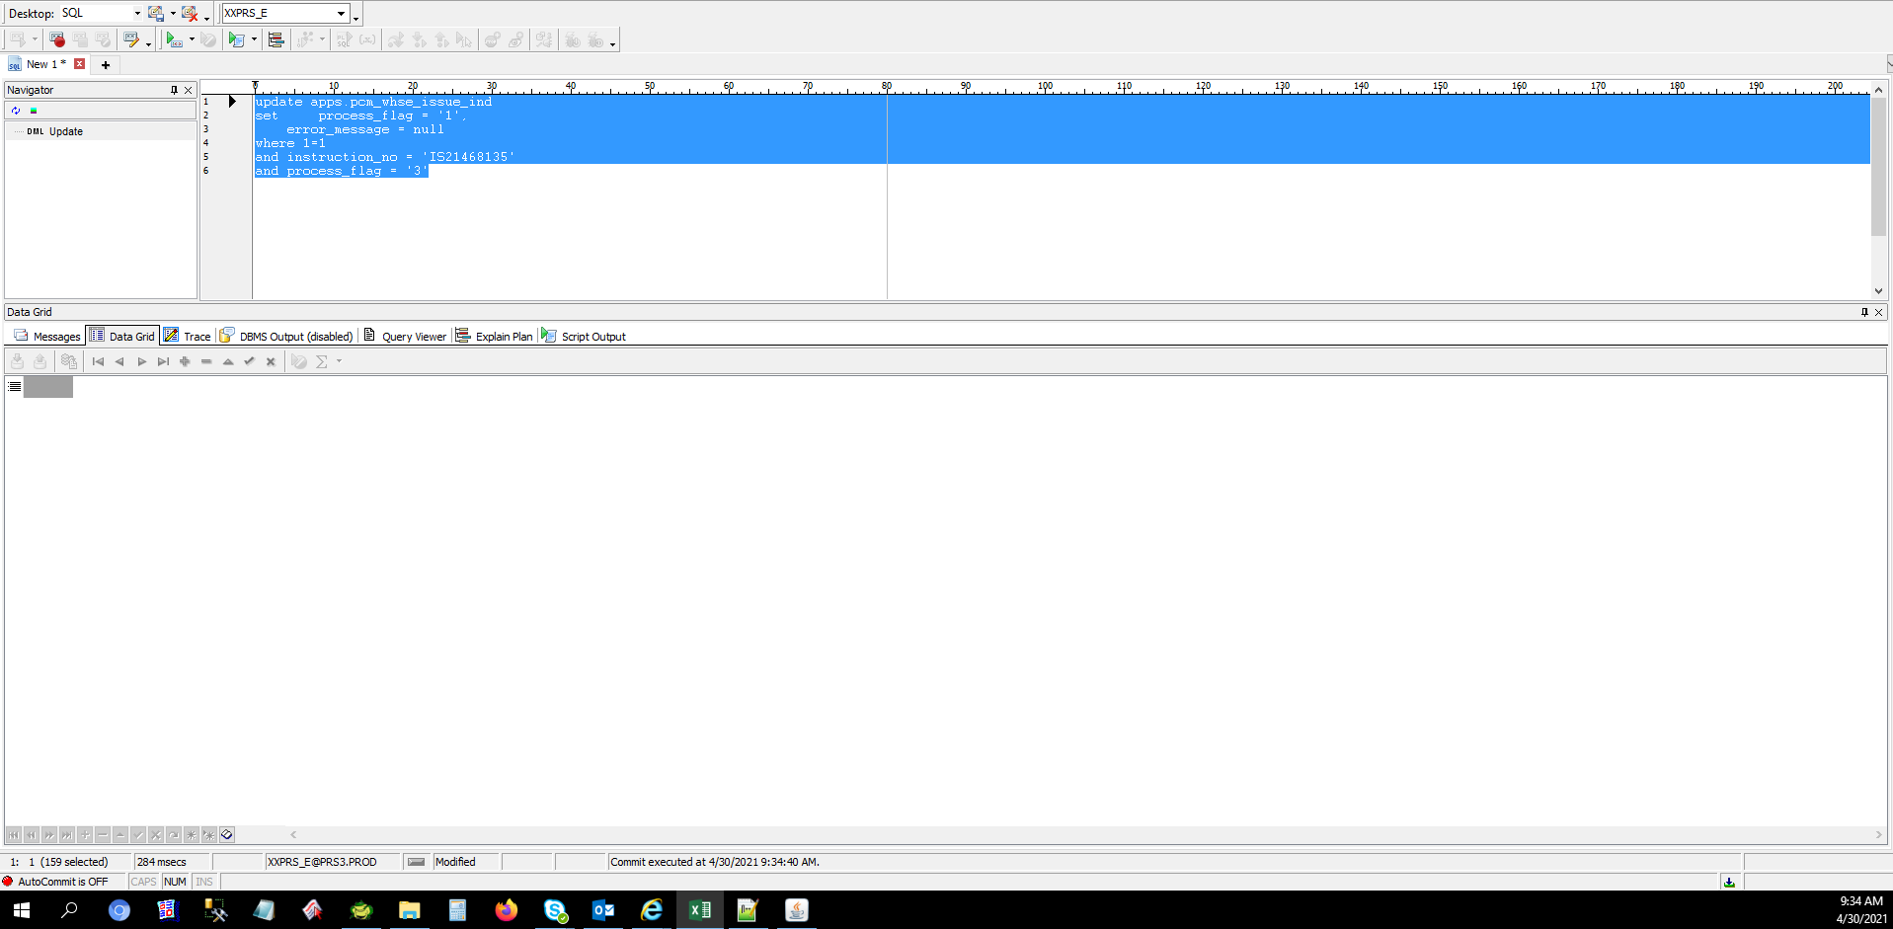
Actual Operation Evidence

Helpdesk Request
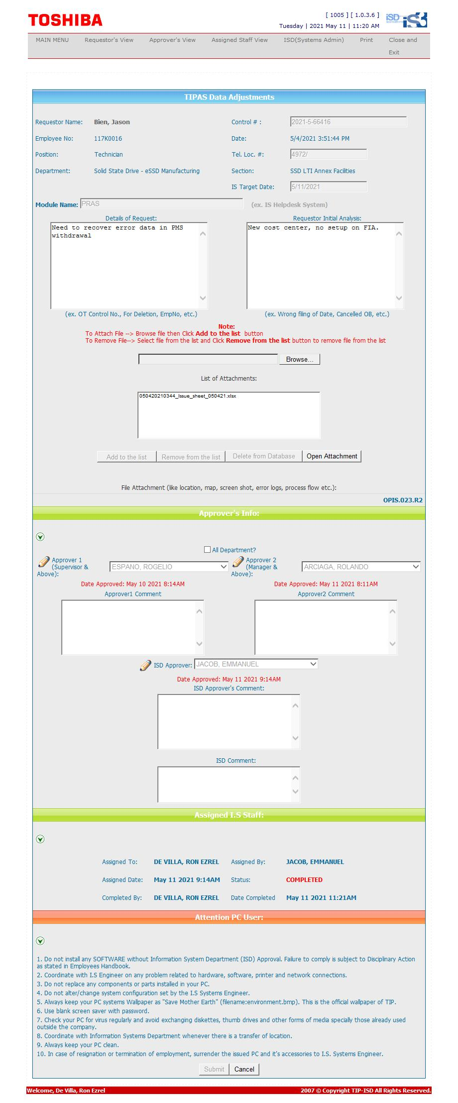
Helpdesk Request

 | ATTACH SCREENSHOT OF HELPDESK REQUEST.

